Hiearchy View
CLASS: DEARATOR
A deaerator is a device that removes oxygen and other dissolved gases from liquids and pumpable compounds. | 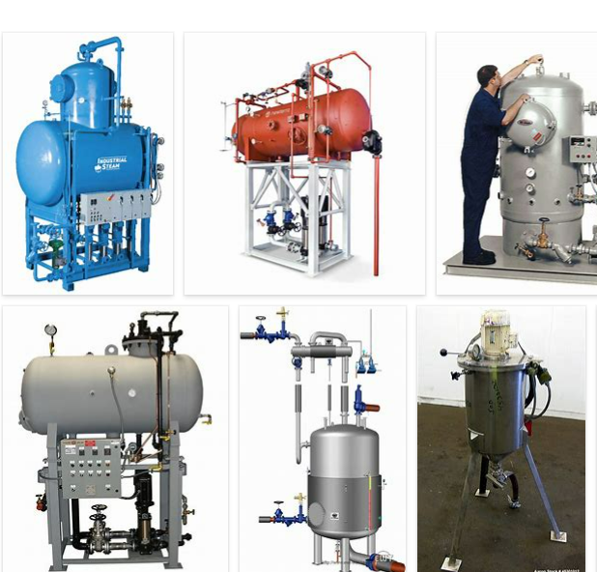
REMOVE | N

PROBLEM_DESC | CAUSE_DESC | REMEDY_DESC
BROKEN/DAMAGED
LEAKING
OTHER PROBLEM
OVERHEATING
POWER-ELEC
PRESSURE
STOPPED/SLOWED/POOR OPS
TEMP-CTRL
Grand Total

